IM Dashboard
0
INFORMATION MANAGEMENT STRATEGY FOR |  |  |  |  |  |  |  |  |  |  |  |  |  |  |  |  |  |  |  |  |  | Date: |  | 0

INFORMATION MANAGEMENT PARTIES
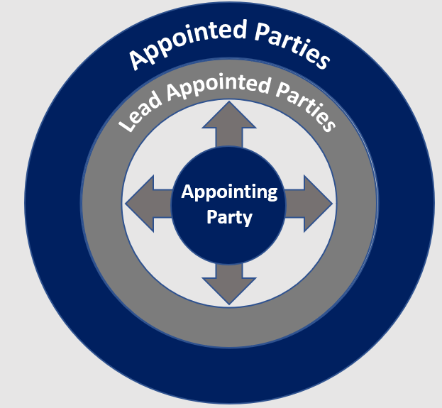
1.0 KEY PROJECT DATA |  |  |  |  |  |  |  |  |  |  |  |  |  |  | 6.0 INFORMATION MANAGEMENT BY PARTIES
Contracting Authority |  |  | 0 |  |  |  | Current Design Stage |  |  |  | 0
Project Name |  |  | 0 |  |  |  | Project Description
Sector |  |  | 0 |  |  |  | 0
Project Value |  |  | £0
Type of works |  |  | 0
Construction Start |  |  | 0
Construction Completion |  |  | 0
Funding Model |  |  | 0
Procurement Route/Framework |  |  | 0
BIM POLICY |  |  | Assess | if this project requires to implement BIM.
Link
Scottish Government and relevant bodies in scope of the Scottish Public Finance Manual must assess their projects for BIM for projects above £2,000,000. Refer to BIM Policy & Grading Tool.
CDE Technology & System Mapping
Appointing Party

Tender
Design
Construct/Handover
Operate
Information Manager
2.0 PROJECT STAGE INFORMATION
2.1 | Does your organisation have template BIM requirements? (EIR) |  |  |  |  | 0
2.2 | Have a list of Project Information Requirements (Questions) been developed? |  |  |  |  | 0
Appointing Party Information System
Appointing Parties CDE or Information System that will receive information exchanges (drops)
2.3 | Does the organisation have a standard folder structure for information? |  |  |  |  | 0
2.4 | Does the organisation have a classification system for information? |  |  |  |  | 0
0
2.5 | Has the organisation prepared a BIM protocol to cover legal & contractual issues? |  |  |  |  | 0
Stage 1
Stage 2
Stage 3
Stage 4
Stage 5
Stage 6
Appointing Parties Information Exchanges
3.0 OPERATIONAL STAGE INFORMATION
3.1 | Does your organisation have a computer aided facilities management system? |  |  |  |  | 0
3.2 | If yes to above, is there a data format/input sheet for the CAFM system? |  |  |  |  | 0
3.3 | Do you have a standard list of maintainable assets? |  |  |  |  | 0
Host for Project wide/ master
CDE per stage(s)
0
0
0
0
0
3.4 | Do you have a standard format for O&M manuals? |  |  |  |  | 0
0
0
0
0
3.5 | Do you have a standard format for the asset register? |  |  |  |  | 0

Various Lead Appointed Parties & Appointed Parties Information Systems
FM Lead Appointed Party
Various CDE's & Info Systems of the supply chain
4.0 COMMON DATA ENVIRONMENT
4.1 | Does the Client (Appointing Party) have a organisational CDE? |  |  |  | 0 | 0
4.2 | Who will host the project-wide CDE for multiple delivery teams at tender stage ? |  |  |  | 0 | 0
4.3 | Who will host project-wide CDE for multiple delivery teams at the design stage? |  |  |  | 0 | 0
4.4 | Who will host project-wide CDE for multiple delivery teams at the construction stage? |  |  |  | 0 | 0
4.5 | Who will host project-wide CDE for multiple delivery teams at the operational stage? |  |  |  | 0 | 0
5.0 INFORMATION PARTIES BY STAGES |  |  |  |  |  |  |  |  |  |  |  |  |  |  |  |  |  |  | 7.0 Recommended Templates & Workbooks

 | Appointing Party Information Requirements |  |  |  | Procurement Strategy |  |  |  | 0 |  |  |  |  |  |  |  |  | Based on the responses, we would recommend the adoption and review of the templates listed below:-
 | Nr | Appointing Party | Role |  | Project | Project | Stage 0 | Stage 1 | Stage 2 | Stage 3 | Stage 4 | Stage 5 | Stage 6 | Organisational Template |  |  |  | Ref |  | Description |  | Adopt |  | Consider/Review | Link
 |  |  |  |  |  |  | Stages Refer to Information Management Plan and should be aligned to project plan of works. Link can be found in section 8.0. |  |  |  |  |  |  |  |  |  |  |  |  | Master Information Management Workbook |  | FALSE |  | FALSE
 |  |  |  |  | Start | End |  |  |  |  |  |  |  |  |  |  |  |  |  | Information Manager Scope of Service/ITT |  | FALSE |  | FALSE
 | 0 | 0 | Client |  | 0 | 0 | 1 | 1 | 1 | 1 | 1 | 1 | 1 | 0 |  | Link |  | T1 |  | Project Information Protocol |  |  |  | 2
 | Lead Appointed Party Information Requirements |  |  |  |  |  |  |  |  |  |  |  |  |  |  |  |  | T2 |  | AP Information Container Hierarchy |  | FALSE |  | FALSE
 | Nr | Lead Appointed Party Information Requirements | Role | Est Nr of Appointed Parties | Appt Start | Appt End | Stage 0 | Stage 1 | Stage 2 | Stage 3 | Stage 4 | Stage 5 | Stage 6 | Appointed Made | Use of Project Wide CDE System |  |  | T3 |  | O&M Manuals (incl H&S file) |  | FALSE |  | FALSE
 |  |  |  |  |  |  | 0.5 | 1 | 2 | 3 | 4 | 5 | 6 |  |  |  |  | T4 |  | FM system data mapping |  | FALSE |  | FALSE
 | 1 | 0 | 0 | 0 | 0 | 0 |  |  |  |  |  |  |  | 0 | 0 |  |  | T5 |  | Asset Register |  | FALSE |  | FALSE
 | 2 | 0 | 0 | 0 | 0 | 0 |  |  |  |  |  |  |  | 0 | 0 |  |  | T6 |  | Task information delivery plan |  |  |  | 2 |  | No
 | 3 | 0 | 0 | 0 | 0 | 0 |  |  |  |  |  |  |  | 0 | 0 |  |  | T7 |  | Master information delivery plan |  |  |  | 2
 | 4 | 0 | 0 | 0 | 0 | 0 |  |  |  |  |  |  |  | 0 | 0 |  | 8.0 GUIDANCE & USEFUL LINKS
 | 5 | 0 | 0 | 0 | 0 | 0 |  |  |  |  |  |  |  | 0 | 0
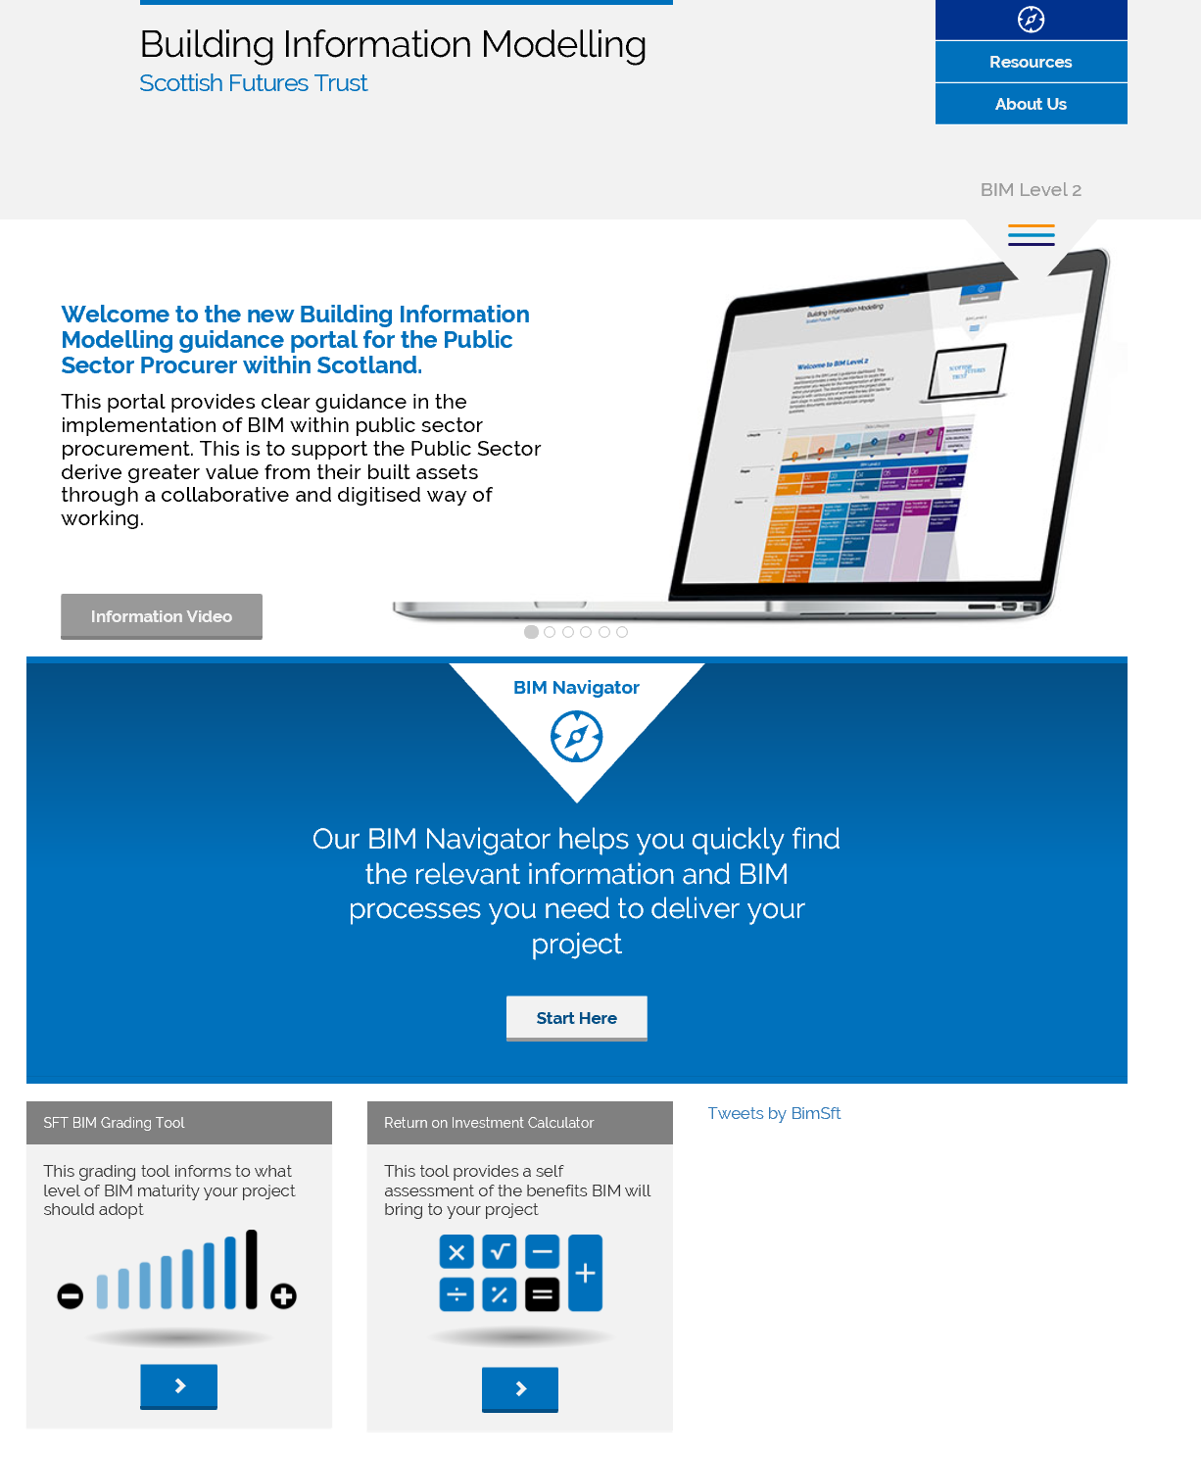
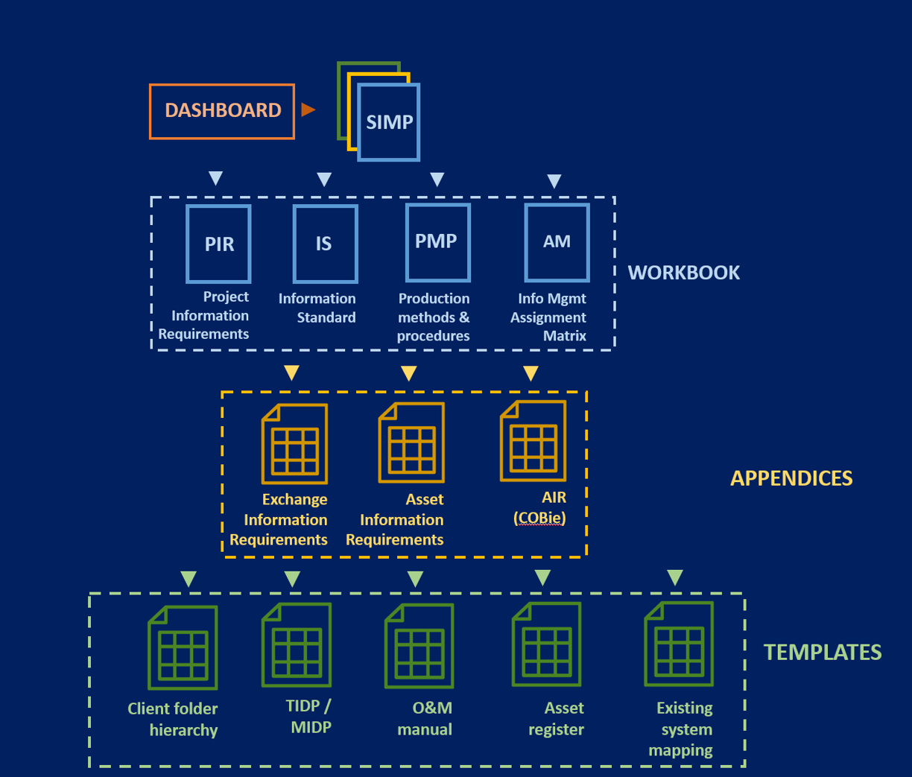
 | 6 | 0 | 0 | 0 | 0 | 0 |  |  |  |  |  |  |  | 0 | 0
 | 7 | 0 | 0 | 0 | 0 | 0 |  |  |  |  |  |  |  | 0 | 0
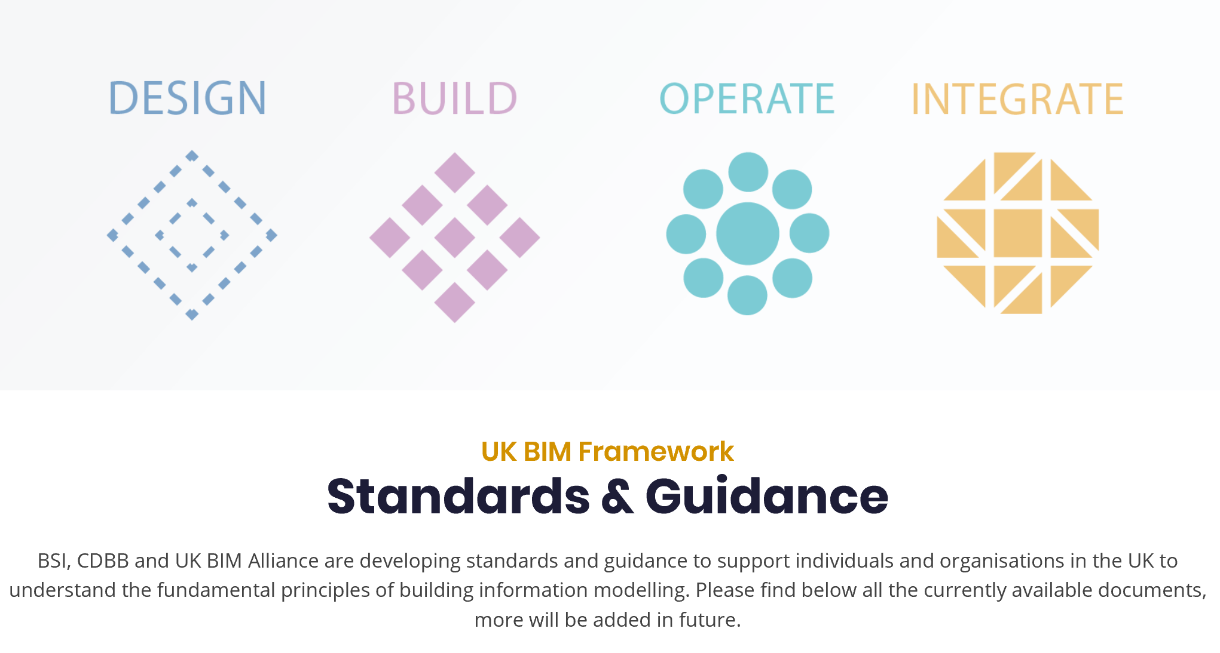
 | 8 | 0 | 0 | 0 | 0 | 0 |  |  |  |  |  |  |  | 0 | 0
 | 9 | 0 | 0 | 0 | 0 | 0 |  |  |  |  |  |  |  | 0 | 0
 | 10 | 0 | 0 | 0 | 0 | 0 |  |  |  |  |  |  |  | 0 | 0

Scottish Government
Policy
SFT BIM Guidance
Portal
SFT Standard Information Management Plan
UK BIM Alliance Standards & Guidance
 |  | Projects plan or works |  |  |  |  | £0
 |  |  |  |  |  |  | £0
 |  |  |  |  |  |  | 0

 |  |  | The SFT master workbook, appendices and templates are licensed under the Creative Commons Attribution-NoDerivatives 4.0 International License. |  |  |  |  |  |  |  |  |  |  | To view a copy of this license visit http://creativecommons.org/licenses/by-nd/4.0/ |  |  |  |  |  |  | Click [ here ] to feedback to BIM Delivery Group |  | SIMP-SFT-XX-XX-DB-Z-0001-S2-P01

 |  |  |  |  |  |  |  |  |  |  |  |  |  | No

